solution 1
Que (a) | Write an appropriate hypothesis test for this situation.
 | step-1
 | Null Hypothesis: Null Hypothesis is that According to Consensus 5% of the nation’s children had autism. Alternate Hypothesis: Alternate hypothesis is that increase in certain chemicals in the environment has led to an increase in autism
 | Ho : µ= 0.05
 | H1:µ≥ 0.05
(b) | Give an appropriate test for this hypothesis, stating what are the necessary conditions for performing the test.
 | step-2
 | Here The proportion value is given. As well an sample population is given so Z test can be performed
 | step-3
 | STEP 3.The Type I error rate is .05
(c) | (c) A recent study examined 384 children and found that 46 showed signs of autism. Perform a test of the hypothesis and state the p-value.
 | step-3

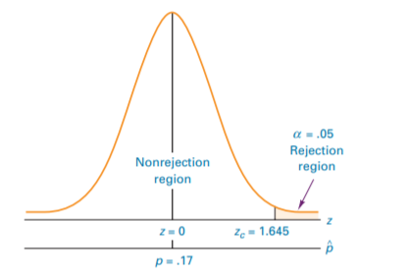
 | STEP 4. This test is a one-tailed test, and the table value is The sample results must yield an observed z value greater than 1.645 for autism cases in children to reject the null hypothesis. The following diagram shows z.05 and the rejection region for this problem.

 | step-5
 | ACTION: STEP 7. Because z = 10.45 is beyond zcritical = 1.645 in the rejection region, so rejects the null hypothesis. The probability of obtaining a z = 10.45 by chance is .0068. Because this probability is less than the null hypothesis is also rejected with the p-value. On the basis of the sample, proportion of autism in the children is more than the given proportion
 | STEP 6. z test value for proportion is 10.45
 | step-6
(d) | What are your conclusions? State how you use the p-value.

 | step-7
 | BUSINESS IMPLICATIONS:

 | Certainly the number of children with autism is more than the given proportion. So the exposure to the chemicals in the environment is certainly excess. There is a need to think over more organic/ natural way of may be farming, agriculture . Also chemical exposure can be due to environmental issues like pollution, usge of pesticides, fertilizers etc. So in order to limit the chemical exposure more natural ways of eating and pollution free environment is an option. since the sample proportion p(hat) is 0.165 which is grater than 0.068 | A critical proportion can be solved by

solution 3
step 1: (a) State a null and alternative hypothesis to test that the fraction of the 1995 population of adults that had never smoked had increased.

Null Hypothesis: the fraction of population of adults that had never smoked is equal to 0.44 |  |  |  | H0=0.44
Alternate Hypothesis: The fraction of population of adults that had never smoked is greater than 0.44 |  |  |  | Ha= 0.44

(b) A national random sample of 891 adults were interviewed and 463 stated that they had never smoked. Perform a z-test of the hypothesis and give an approriate p-value.

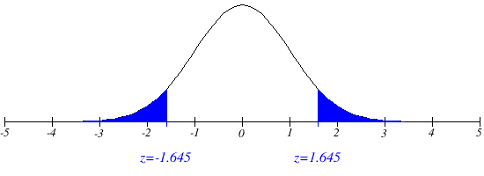
 | Total number of sample : 891

 | Type 1 error is 0.05 we will assume 5% significance level
 | This is one tailed test

 | The table value is the sample results must yiels sample value greater than 1.645 for the popuation of adults who do not smoke to regect the null hypothesi

 |  | N=891 x=463

So we can reject the null hypothesis
So the fraction of polulation in 1995 of adult that have never smoked and more than 44 %
Z=5%= 0.05

 |  | p ̂=0.46

 | with the critical value method a sample proportion is grater than 0.467 to reject the null hypothesis. So the null hypothesi is also rejected by critical value method

 |  |  | b

solution 5
step 1 | (a) Are the necessary conditions for constructing a valid t-interval satisfied? Explain.
 | Confidence methods are conducted using statistical methods such as T test. A " T" Teast is a type of inferential test used to dtermine if there is a significant difference between means of two groups. Which may be related to certain features. Calculating a Test reqires 3 key data values called as mean difference , standrd deviation, and number of data values

Step 2 Find a 98% confidence interval for the mean body temperature and explain its meaning.

 | N=52, x=98.28 S=0.6824 Df=n-1= 52-1=51 From t table Tc= 2.390 Using excel: t.inv.2t(0.02,51)= 2.40 E=(2.390*0.6824)/√52 = 0.226 Using t_(α/2) from the excel E= (2.40*0.6824)/√52= 0.22711 X= 98.28 Upper band=X+E= 98.28+0.227= 98.50 Lower band=98.28-0.227= 98.05 Mean value lies between 98.50 and 98.05

Step 3: (c) Give a two-side hypothesis test for a mean body temperature of 98.6 o Fahrenheit and use the information above to evaluate a test with significance level α = 0.02.

 | Null hypothesis | µ= 98.6 | Mean body temperature for an healthy adult is 98.6
 | Alternate hypothesis | µ ≠ 98.6 | Mean body temperature for an healthy adult is not equal to 98.6

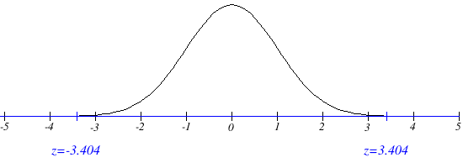
. The statistical test to be used is

 | T=-3.404

 | so based on above calculation t value is -3.404 so we can rejst the null hypothesis . So we state that mean body temperature of healthy adult is not 98.6

